Sheet1
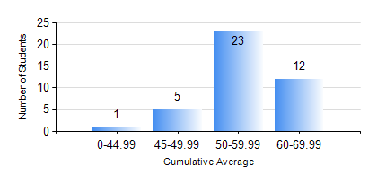
 |  |  | KWAME NKRUMAH UNIVERSITY OF SCIENCE AND TECHNOLOGY, KUMASI Department of Mechanical Engineering

 |  |  | BSC. AUTOMOBILE ENG.

 |  |  | COMPREHENSIVE RECORD OF EXAMINATION RESULTS

 |  |  | RESULTS OF YEAR 2 SECOND SEMESTER, 2019/2020 ACADEMIC YEAR

 | Sn | Course Code |  | Course Name | Credit Hours | Min. Mark | Max. Mark | Avg. Mark | Std. Dev. | No. Passed | No. Trailed | No. (Df) | No. (I) | No. (I*) | No. Tagged(I,I*,Df) | Total
 | 1. | AME 274 |  | DESIGN OF AUTO MACHINE ELEMENTS | 3 | 60 | 92 | 86 | 8.28 | 38 | 0 | 0 | 3 | 0 | 3 | 41
 | 2. | AME 284 |  | AUTOMOTIVE ELECTRICAL SYSTEMS AND ELECTRONICS | 2 | 40 | 85 | 61 | 12.49 | 41 | 0 | 0 | 0 | 0 | 0 | 41
 | 3. | AME 296 |  | AUTOMOBILE ENGINEERING LABORATORY II | 1 | 41 | 82 | 52 | 13.35 | 40 | 0 | 0 | 1 | 0 | 1 | 41
 | 4. | MATH 252 |  | CALCULUS WITH SEVERAL VARIABLES | 4 | 40 | 84 | 63 | 12 | 37 | 0 | 0 | 4 | 0 | 4 | 41
 | 5. | ME 252 |  | FLUID DYNAMICS I | 2 | 40 | 83 | 64 | 10.23 | 40 | 0 | 0 | 1 | 0 | 1 | 41
 | 6. | ME 262 |  | MECHANISM SYNTHESIS AND ANALYSIS 1 | 3 | 46 | 87 | 69 | 9.11 | 35 | 0 | 0 | 6 | 0 | 6 | 41
 | 7. | ME 270 |  | MANUFACTURING TECHNOLOGY | 3 | 42 | 88 | 76 | 10.14 | 37 | 0 | 0 | 4 | 0 | 4 | 41

